Hiearchy View
CLASS: CONTROL JOINT
a type of engineering device used to limit damage caused by the natural shifts and movements of a building over time. These joints are used in masonry, concrete, and drywall structures to minimize aesthetic and structural damage due to cracking. |  | 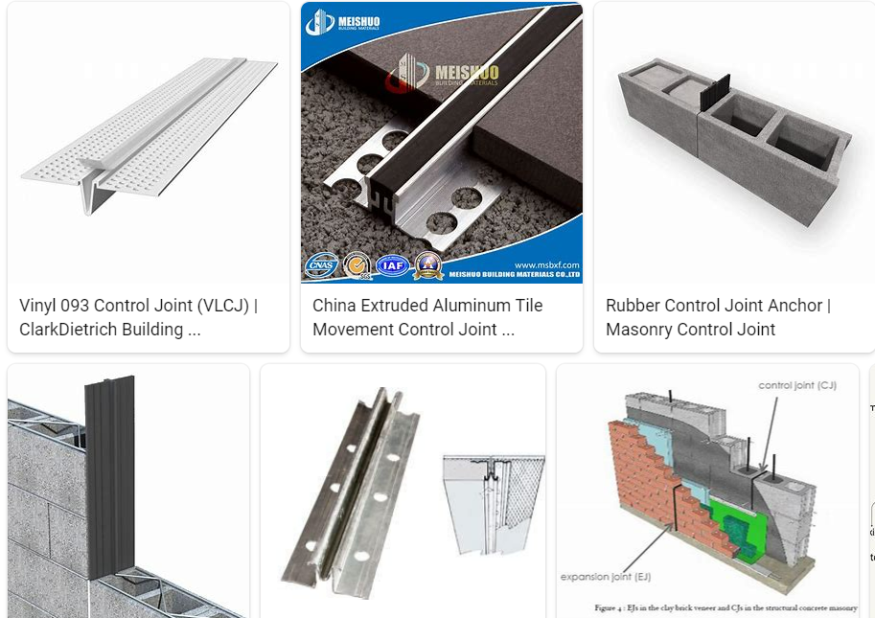
REMOVE | N

PROBLEM_DESC | CAUSE_DESC | REMEDY_DESC
BROKEN/DAMAGED
LEAKING
OTHER PROBLEM
PRESSURE
VIBRATION
Grand Total

